10_OIL
N° | Category | Issued date | Origin | Issue/Question Description | Measure/Answer | Resp. person | Status | Next Step / comments
1301001 | Signal Receiving | 20130117 | Changan - 刘栖谷 | “ESP_DACFunctionStatus”、"ESP_DACFunctionAvailable"两个信号是博世提出并用于显示的么？是否必要添加在S401协议中？ | 这两个信号是ESP发出来的，已经在信号列表里了。 | Bosch | Completed | demo
1 | Spec | 20130331 | Bosch | 《Q/JD T037-2019》中对软件版本和硬件版本号的编号规则, 请释放相应规范 ？ Please clarify the definition of software and hardware ? | 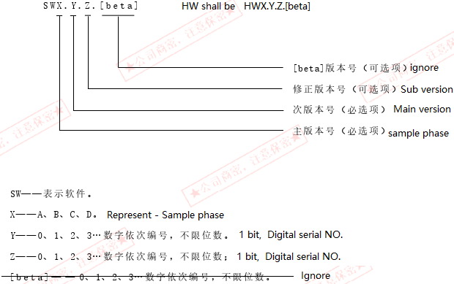 如邮件贴图，文档我们手里暂时没有，后续提供 CA: Both SW/HW version definition as below [Example picture below is for SW] 9/14/2020: for CD569/S202-DA, we follow the HW/SW version follow format provided by CA |  | Closed
2 | Spec | 20130331 | Bosch | F086, F087 shall be deleted since not applicable ? | ok |  | Closed
3 | Spec | 20130331 | Bosch | 7-1_DIDList / Default value shall be confirmed ? | 删除Default Value，不用填写 Delete default value. Don't fill in. |  | Closed
4 | Spec | 20130331 | Bosch | 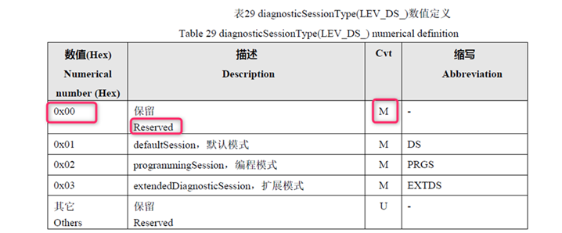 Service 10: Need clarification as to whether sub function 0x00 should also be implemented since M is mentioned [mentioned in specification but not in diagnostic questionnaire ] | 20204421： 待 CA 确认 To be CA confirm ? No need to support 00 |  | closed
5 |  | 20200401 | Changan - 杨大谦 | 6-1_DTCList 1）故障处理与故障指示列需要增加私CAN features的降级处理，features包括：Line，obj，Traffic Sign，Traffic Light，示意如下 2）系统级和故障级格式上需要分开-closed 3）MPC检ECU临时高温保护，故障成立条件未完善-closed 4）MPC内部电路故障建议改成MPC内部电路临时故障，以与永久故障区分：已经区分-closed 5）MPC内部电路永久故障作为不可逆的永久故障，T/U列故障码删除条件不应该写14服务和40次上下电删除，维修建议应该是“更换新控制器”，主机厂没能力去修复摄像头内部元器件。：已经按照要求更新-closed 6）维修建议中错别字“重新上低压电”是否为“车辆重新上下电”-closed 7）缺少未标定/校准超差等故障-closed 8）GW_387/GW_340/GW_366/3AF/3B8/500/501报文丢失，CRC,Rollingcounter不监控-closed 9）28B,3FF报文错误，以及前/后雾灯失效时，TLA不应该失效，3AF失效时，TSR不降级：bosch: 28Brelated error deleted;3FF error, TLA no degradation;fog lamp status error; TLA no degradation;3AF is higgly related to TSRm and in case of error, TSR need degradation-closed 10）功能都不降级的DTC不用写仅DTCList，如GW_50/GW_530报文，车外温度/前吹风失效/双闪等-closed 11）“ESP信号无效”，“EMS信号无效”等DTC，应该将摄像头关注的DTC进行区分，用不同的DTC来代表不同的信号错误，统一写在一起不便于问题排查，DTC成立条件中，同一类型的可以放在一起，比如车速和车速有效信号可以作为一个DTC，但纵向加速度，横向加速度就是单个信号故障时，就对应一个DTC-closed 12） 无硬开关，即不需要LCM_LASSwitch，需删除该判定条件-closed 13）BCM_TurnLightSwitchSts/BCM_TurnRightSwitchSts失效时，TLA/FAB不应该降级 Bosch:BCM_TurnLightSwitchSts/BCM_TurnRightSwitchSts error deleted-closed 14）部分DTC故障处理没有填-closed 15） MPC检ECU临时高温保护：故障成立、恢复条件、维修建议未明确；-closed 6-1 DTCList No.7MPC内部电路输出电压低：此诊断是否必要？OEM是否需要关注？-closed 若必要，建议， 1、需明确内部电路及各单元图示； 2、维修建议新增（4）更换摄像头； 6-1 DTCList No.8MPC内部电路输出电压高：同No.7； 6-1 DTCList No.9MPC内部电路永久故障：质检能检测出此故障由Bosch实现，是否体现在此DIA； 6-1 DTCList No.10MPC匹配参数错误&DTCList No.11MPC检车辆配置信息错误：无降级是否合理进一步确认 6-1 DTCList No.12MPC内部电路故障：维修建议新增（4）更换摄像头；故障处理描述是否应为系统故障而非无降级 16）待澄清： a) MPC检车辆配置信息错误，故障成立条件中车型信息指哪些，是否新件未选型之前，都会报此故障？ b) 除了参数错误的故障，摄像头软件包错误等是否有故障 Bosch: 软件包能否提供2代具体故障供参考 c) 雨刮和左/右转向灯失效时不应该TLA/FAB为什么降级 Bosch:雨刮和左/右转向灯失效已经不监控-closed | Bosch 20200417 Regarding points: 1)9)10)13)16c)These column will be added later since information regarding this is unavailable for now. 杨大谦：请确定完成时间 Please determine the completion time Bosch 20200427 Bosch: It shall be done by 20200520 Expectation by middle of June to add degaradation of lanes,objects,tsr of private can output. For now, FAB,TSR,TLA degaradation is ok. 3) ECU temporary high temperature protection details has been updated. 杨大谦：Mature Conditions——未翻译 Yang Daqian: Mature Conditions - Untranslated Bosch 20200427: HAIJUN, please update the deatils in Chinese and update this comment after done. 5) fault code deletion condition has been removed for Internal electronic permanent failure. The Repair suggestion has been updated as "Replace the controller". 杨大谦：OK 6) re-power on low voltage" has been replaced by "re-power on the vehicle" 杨大谦：对应中文翻译没改 Yang Daqian: The translation of the corresponding Chinese has not changed Bosch 20200427 HAIJUN, please update the deatils in Chinese and update this comment after done. 7) DTCs related to missing calibration, other calibration related DTCs have been updated. 杨大谦：无中文翻译 Yang Daqian: No Chinese Translation Bosch 20200427 HAIJUN, please update the deatils in Chinese and update this comment after done. 8) For all messages, the failures related to lost communication, CRC, DLC and BZ is mointored. Question for 8): Is the DTC related to these messages not required. Does it need to be deleted? 杨大谦：Yes,请按照长安需求进行删减，删除没必要的监控，对应诊断软件也可以少写部分代码 Yang Daqian: Yes, please delete according to Chang'an needs, delete the unnecessary monitoring, the corresponding diagnostic software can also write less part of the code Bosch 20200427 Few DTCs have been removed based on the previous review. Some DTCs like Lost Communication with GW_387 or DLC error, Lost Communication with GW_366 or DLC error, Lost Communication with GW_3AF or DLC |  | Open
6 |  | 20200401 | Changan - 杨大谦 | 6-2_DTCStatus,ECU支持列按照博世当前能支持的项目如是填写即可 DTCStatus, Fill just upon bosch current supported items | 20200421: udpated. 杨大谦：根据E列，当前故障应该是0x01，历史0x08，当前+历史0x09 Daqian Yang: According to column E, the current fault should be 0x01, history 0x08, current + history 0x09 Bosch20200427: Updated |  | Closed
7 |  | 20200401 | Changan - 杨大谦 | 7-1_DIDList供应商软硬件版本需要详细定义，长安需求见sheet12，红色底纹部分为修改和新增的 DIDList supplier software&hardware version need to defined in detail, CA requirements refer to sheet 12, the conents marked with red color is new or modified [ CA add red color upon MPC2's ] Need to add 2 kind of contents 1.) To store EOL current, previous, previous previous EOL result. 2.) To store SDA current, previous result. | 20200421: To be udpated. Investigation is ongoing upon MPC3 [ MPC2's Routine design is not applicable to MPC3 ] 杨大谦：对于长安提的需求（详见表12_DID_CADefined），请确认哪些能做，什么时候实现，哪些不能做，并明确原因，对于MPC3与MPC2上不一致的需要澄清 Yang Daqian: For Changanti's needs (see table 12_DID_CADefined), please confirm what can be done, when to achieve, what can not be done, and clear reasons for MPC3 and MPC2 inconsistencies need to be clarified Bosch20200427 Updated the 7-1_DIDList list sheet as per the comments in sheet 12_DID_CADefined sheet. Both are combined into one sheet in 7-1_DIDList, as per the reference with CA MPC2.5 Bosch9/14/2020 as discussed with Daqian, Bosch MPC3 can't differentiate plant EOL and SDA, and only support current calibration result. for failure reason, MPC3 support current, previous, and the 2nd previous failure result. |  | closed
8 |  | 20200401 | Changan - 杨大谦 | 7-4_RoutineDIDList 1. 03: RequestRoutineResult定义过于简单，需要参考MPC2进行完善； 03: RequestRoutineResult deinition is too simple, propose to refer to MPC2's 2. Add Check Programming Preconditions | 20200421: updated 1. MPC2's Routine design is not applicable to MPC3 杨大谦：800B缺少02: StopRoutine，D列中各项目没有换算公式，如00-01 左前轮罩高度，如何换算，无定义 Yang Daqian: 800B missing 02: StopRoutine, column D items have no conversion formula, such as 00-01 left front wheel cover height, how to convert, no definition 2. Programming Preconditions is already there 杨大谦：0x0203反馈的Preconditions每一条分别对应反馈的hex应该是什么？即反 馈的当前不满足编程条件与表中几个条件没有对应 Yang Daqian: 0x0203 Feedback Of each of the hex corresponding to feedback should be what? That is, the current programming conditions of the feedback do not meet the table several conditions do not correspond Bosch20200427 Shall be updated CA: Closed |  | Closed
9 |  | 20200401 | Changan - 杨大谦 | 6-3_Snapshot&ExtendedDataRecord的DTC 快照数据需增加记录偏航率，发动机转速，制动踏板状态，真实加速踏板位置，实际档位，方向盘转向角度，方向盘转角速度，制动主缸压力信号 CA: Yawrate value, Engine rotation speed, actual gear position, steering angle value, | 20200421 Bosch: This is new feature different from bosch existing platform project, further alignment needed and ongoing 杨大谦：请明确差异部分的时间节点和计划 Yang Daqian: Please identify the time nodes and plans for the differences Bosch 20200427 Shall be updated by May 4th We should plan for meeting with Changan Bosch 20200914: Yawrate value, Engine rotation speed, actual gear position, steering angle value and temperature and other value on snapshot sheet are implemented. need double with customer |  | Open
10 |  | 20200417 | Bosch | Requirement regarding Tdiag Startup time is needed. Please provide the information. | 20204421： 待 CA 确认 To be CA confirm ? 杨大谦：功能定义文档中有描述，上电3s内仅进行自检，自检的故障可以报出，3s后才对关联系统进行互检，即互检的故障要在3s后再报出 Yang Daqian: function definition document has a description, power 3s within only self-test, self-test failure can be reported, 3s after the associated system mutual inspection, that is, mutual inspection of the fault to be reported after 3s |  | Closed
11 |  | 20200417 | Bosch | 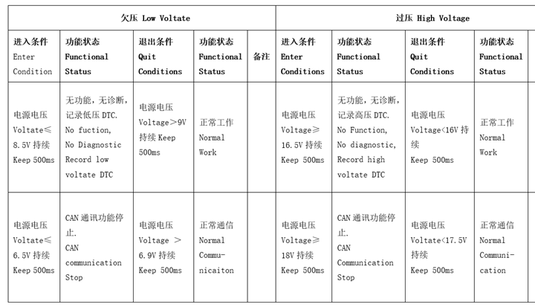 Regarding the Diagnostic Voltage requirement, for the low threshold[<=8.5V] and High threshold[>=16.5V], "keep for 500ms" should be removed since during that time, any CAN related failure(whose cycle time is very less) will be logged. | 20204421： 待 CA 确认 To be CA confirm ? 杨大谦：同MPC2需求 Yang Daqian: With MPC2 Demand CA: Ramain the condition of keep 500ms no change and if any failure reported during this 500ms is OK |  | Closed
8 | Spec | 20200417 | Bosch | 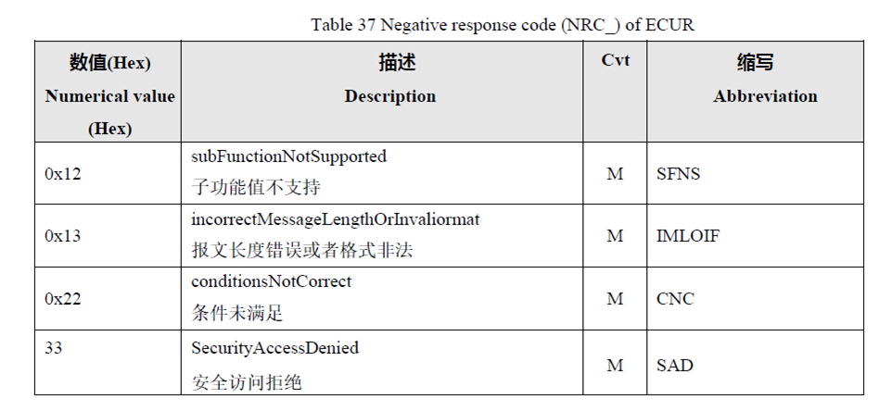 In the specification sheet, it is mentioned as in the table for NRCs for Service 0x11. But Service 11 does not support NRC 33 | 20204421： 待 CA 确认 To be CA confirm ? 杨大谦：可以按照供应商需求修订4-2_NRC Priority，修订完后由长安进行审查 Yang Daqian: 4-2_NRC Priority can be revised according to supplier demand, and after the revision is reviewed by Chang'an |  | Closed
12 | Spec | 20200417 | Bosch | DIDs List: A) F1F1 and F1F2 has the same description: FAB Switch. Clarification needed. C) F18A range not mentioned. D) 0x103 Invalid key counter not present in requirement . Is it required? 1) F089 and F189: As per the spec, the length is 8 Bytes. But as per the DPT, it is 15 Bytes. 2) F123: Details are not present. 3) F086 and F087 has been taken off from the sheet. But it is still present in the specification sheet. | 20204421： 待 CA 确认 To be CA confirm ? 杨大谦：A)博世中文翻译错误，长安需要对TSR/TLA/FAB功能的开关，B)，C）不需要定义最大最小值，每个供应商只有一个固定的识别码，D)需要无效密钥计数，具体定义由博世提供，可参考MPC2 1）F089/F189软硬件版本号，根据长安2020年最新企业标准，统一为15字节，定义详见下图 2）F123标定版本信息只定义了格式为ASCII码，因此按照供应商将内部标定数据版本按照ASCII码发出即可 3）F086/F087可删除，本文档已删除 Yang Daqian: A) Bosch Chinese translation error, Chang'an need stoic TSR/TLA/FAB function switch, B), C) do not need to define the maximum minimum value, each supplier only has a fixed identification code, D) need invalid key count, specific definition provided by Bosch, can refer to MPC2 1) F089/F189 hardware and software version number, according to Chang'an 2020 latest enterprise standards, unified to 15 bytes, the definition is detailed in the figure below 2) F123 calibration version information is defined only as ANCII code, so according to the vendor will be internal calibration data version according to THE ASCII code can be 3) F086/F087 can be deleted, this document has been deleted |  | closed
 |  | 2020-09-15 | Bosch | Bosch One clarification for the 6-1DTCList 1. SAS_Calibrated we are using 1 as the invalid value & not the last known value 2. EPS_ConcussAvailabilityStatus = 0x2 alone is considered as invalid, should we also consider 0x3? |  |  | open

